Roku TV POs
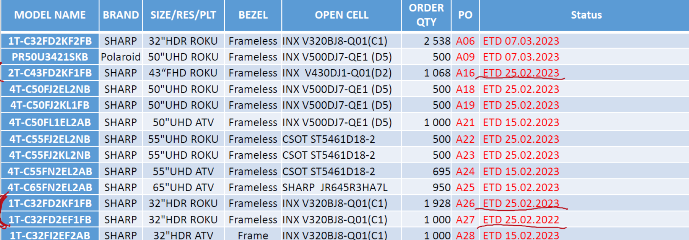
Project: SCE-AMTC TV 2023
ROKU TV PO list. Sjipment plan
Created: 2023 01 04
Updated:

Mails
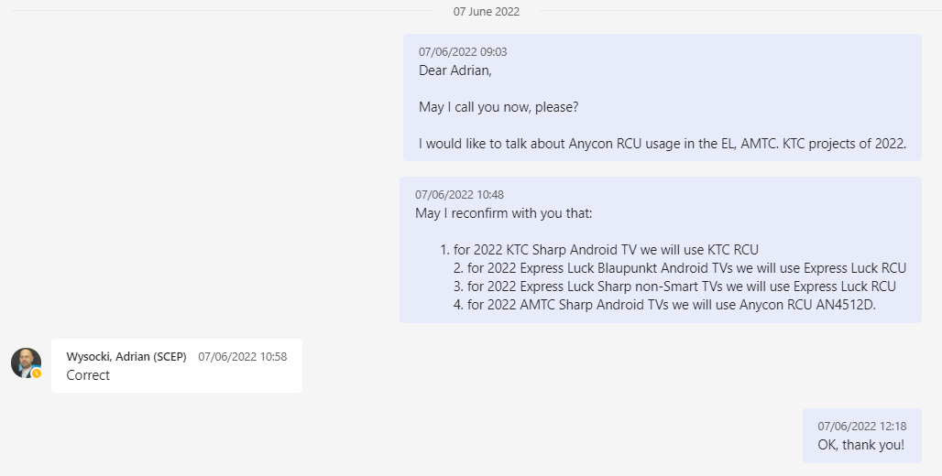
Project: SCE-AMTC TV 2022
Certification Status. Concerned mails

From: wangshuaiyu@szmtc.com.cn <wangshuaiyu@szmtc.com.cn>
Sent: 02 June 2022 11:07
To: 程国清 <chengguoqing@szmtc.com.cn>; Jermakov, Alexander (SCEM) <Alexander.Jermakov@sharpconsumer.eu>
Cc: 黄宝亿 <huangbaoyi@szmtc.com.cn>; 彭竹 <nanapeng@szmtc.com.cn>; 陈娟娟 <chenjuanjuan@szmtc.com.cn>; 王洁 <wangjie@szmtc.com.cn>; Fedasenia, Ihar (SCEM) <Ihar.Fedasenia@sharpconsumer.eu>; Gorczyca, Kamil (SCEP) <Kamil.Gorczyca@sharpconsumer.eu>; 石瑶 <shiyao@szmtc.com.cn>; 蒲峰 <kilterpu@szmtc.com.cn>; 周伟 <levy@szmtc.com.cn>
Subject: MTC certification satus weekly reports(5/30-6/2)

Dear Alex，

Because MTC will be on holiday from 6/3 to 6/5 , I provide the weekly report to you today.

let me Update you on this week's progress。

1.The old models (EQ3/EQ4)

We have uploaded the new draft for NG report to FTP,pls check it . The 55" model is being test . And,we are making the final certificate for OK draft.

file path: Certification/RED EMC

2.SCE-AMTC 20222

The 4K sample have been assembled on 6/1,and the 2K sample will be assembled on 6/6 , the 2022 cert work will kick off around 6/11.

The attached file is AMTC. Certification Schedule ,which use CST as a temple. I believe AMTC. Certification Schedule will help you to understand the weekly report.

Best regards
Matthew Wong
SHENZHEN MTC CO.,LTD
深圳市兆驰股份有限公司
深圳市龙岗区南湾街道下李朗社区李朗路1号兆驰创新产业园3栋4楼518000
4th floor,3rd building, MTC Industry Park,1st Lilang Rd,Xialilang Community,Nanwan Street,Longgang District, Shenzhen
*Mobile:+86-17365722627
*Email: wangshuaiyu@szmtc.com.cn
Wechat: runtu_1121
http://www.szmtc.com.cn/

From: wangshuaiyu@szmtc.com.cn <wangshuaiyu@szmtc.com.cn>
Sent: 07 June 2022 09:07
To: Jermakov, Alexander (SCEM) <Alexander.Jermakov@sharpconsumer.eu>; Fedasenia, Ihar (SCEM) <Ihar.Fedasenia@sharpconsumer.eu>; 彭竹 <nanapeng@szmtc.com.cn>; 程国清 <chengguoqing@szmtc.com.cn>
Cc: 黄宝亿 <huangbaoyi@szmtc.com.cn>; 陈娟娟 <chenjuanjuan@szmtc.com.cn>; 王洁 <wangjie@szmtc.com.cn>; Gorczyca, Kamil (SCEP) <Kamil.Gorczyca@sharpconsumer.eu>; 石瑶 <shiyao@szmtc.com.cn>; 蒲峰 <kilterpu@szmtc.com.cn>; 周伟 <levy@szmtc.com.cn>; 汤勇 <tangyong@szmtc.com.cn>; 陈明磊 <eric_chen@szmtc.com.cn>
Subject: Re: RE: MTC certification satus weekly reports(5/30-6/2)

Dear Alex,

It's nice to hear from you.

>MEMC must be disabled in the SW of certification sample of 2022 project

OK,we will close MEMC

>Please may you specify, which chipset will be used for MT9675.716 board?

I have confirm with Rogar,CVTE PM, that the chipset used for MT9675.716 board is MT9675KAATGB. MT9675KAATGB will be used in mass production.

BTW, in regard of 9685, the chipset we used in DVT is MT9685IAATFC , and we will use MT9685IAATMA in mass production.

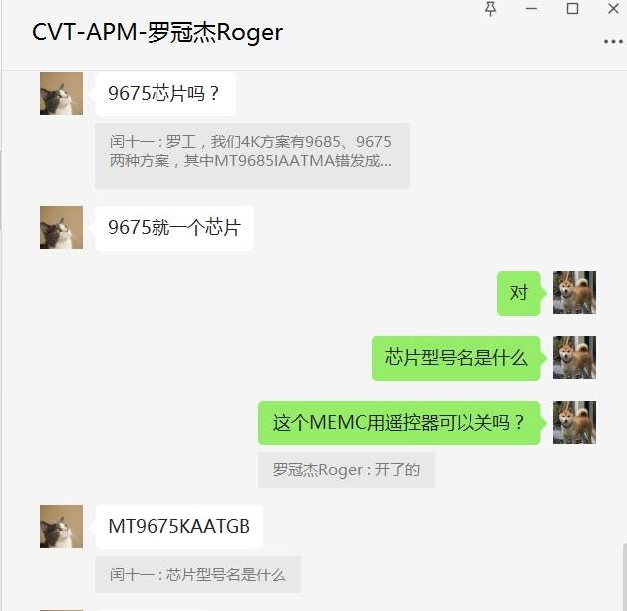
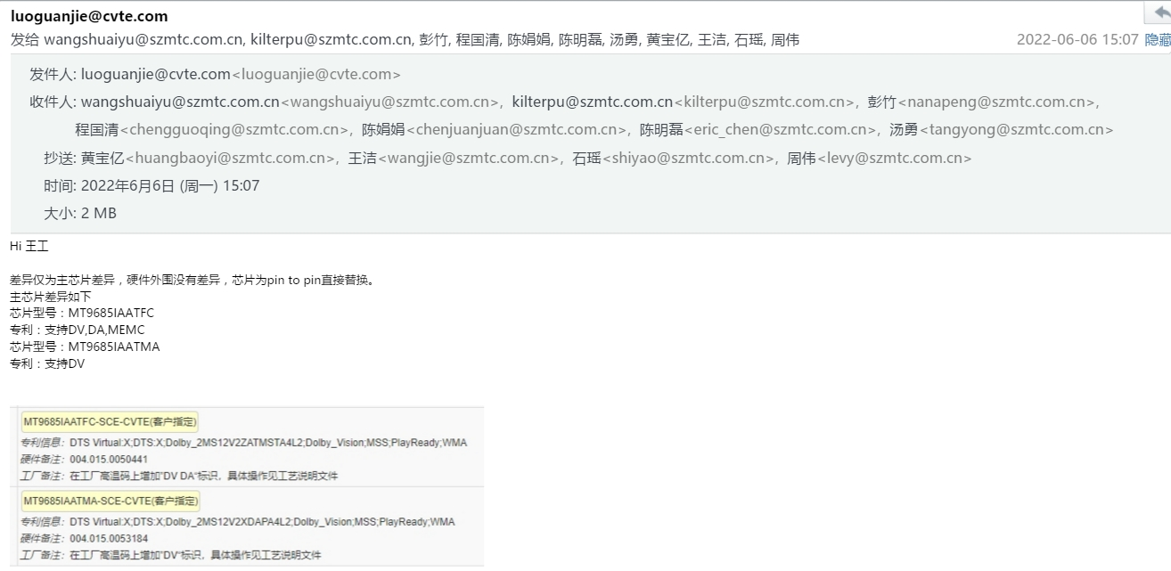

I checked the CST,and I found some problem.There are some misunderstanding between us. The models for TP.MT9286.PB715 board have not been placed orders and not been producted in DVT,so they will not kick off around June 11.

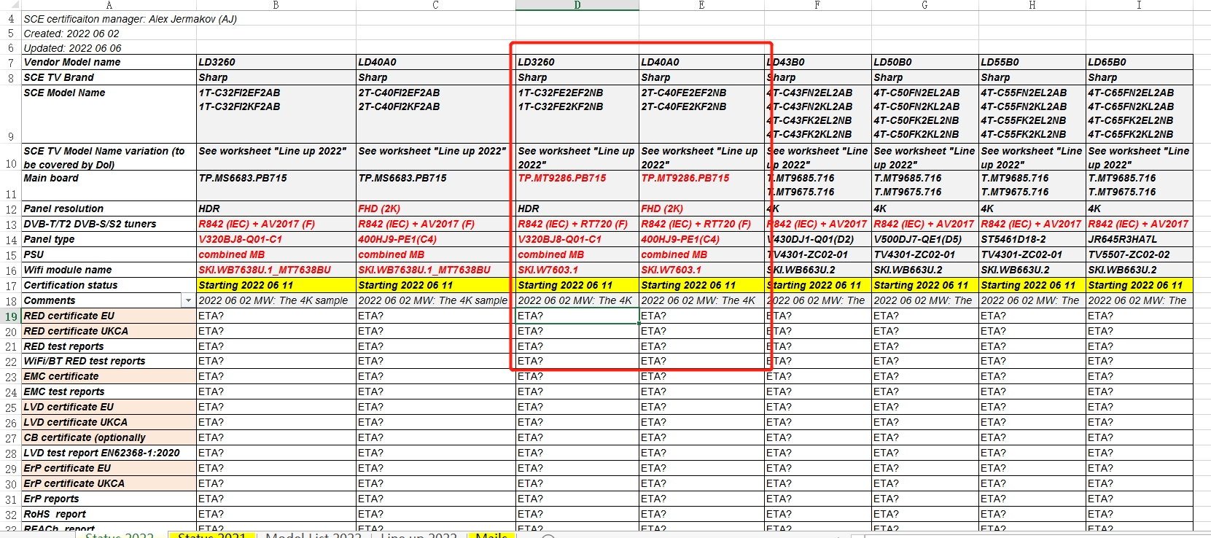

And , I am estimating the ETA which is a unpredictable,so many factor will influence the ETA . We need some time to produce the ETA to you . Could you give me some time?

Best regards
Matthew Wong
王 率 宇 P M 工程师
SHENZHEN MTC CO.,LTD
深圳市兆驰股份有限公司
深圳市龙岗区南湾街道下李朗社区李朗路1号兆驰创新产业园3栋4楼518000
4th floor,3rd building, MTC Industry Park,1st Lilang Rd,Xialilang Community,Nanwan Street,Longgang District, Shenzhen
*Mobile:+86-17365722627
*Email: wangshuaiyu@szmtc.com.cn
Wechat: runtu_1121
http://www.szmtc.com.cn/

From: wangshuaiyu@szmtc.com.cn <wangshuaiyu@szmtc.com.cn>
Sent: 10 June 2022 10:08
To: Jermakov, Alexander (SCEM) <Alexander.Jermakov@sharpconsumer.eu>; 彭竹 <nanapeng@szmtc.com.cn>; 程国清 <chengguoqing@szmtc.com.cn>
Cc: 黄宝亿 <huangbaoyi@szmtc.com.cn>; 陈娟娟 <chenjuanjuan@szmtc.com.cn>; 王洁 <wangjie@szmtc.com.cn>; Gorczyca, Kamil (SCEP) <Kamil.Gorczyca@sharpconsumer.eu>; 石瑶 <shiyao@szmtc.com.cn>; Fedasenia, Ihar (SCEM) <Ihar.Fedasenia@sharpconsumer.eu>; 蒲峰 <kilterpu@szmtc.com.cn>; 周伟 <levy@szmtc.com.cn>; 汤勇 <tangyong@szmtc.com.cn>; 陈明磊 <eric_chen@szmtc.com.cn>
Subject: Re: RE: MTC certification satus weekly reports(6/6-6/10)

Dear Alex

It's nice to hear from you.

As usual , let me Update you on this week's progress.

1.SCE-AMTC 2021 (EQ3/EQ4)

The final “DVB test reports EN 303340” certificate (except 55") have been upload to FTP on 6/10.

The CB certification is waiting for yout authorization letter.

Pls check it.

2.SCE-AMTC 2022

The sample have arrved in lab on 6/10. But the lab haven't sent the kicking off letter to us yet. I think the RED 、EMC 、 LVD certification will kick off on 6/13

The attached file is AMTC. Certification Schedule ,which use CST as a temple.

Best regards
Matthew Wong
王 率 宇 PM工程师
SHENZHEN MTC CO.,LTD
深圳市兆驰股份有限公司
深圳市龙岗区南湾街道下李朗社区李朗路1号兆驰创新产业园3栋4楼518000
4th floor,3rd building, MTC Industry Park,1st Lilang Rd,Xialilang Community,Nanwan Street,Longgang

